Changes
IT Changes Task List
S/N | Module | Description | Priority (Phase) | Manday | Start Date | Target Date | Status | Actual Completed date | UAT
1 | RF Capture Expiry | To add Qty input TO Quant remain during scanning to serve as prevention of duplicate scanning of expiry data capture. |  | 3 | 29-Oct-14 | 2014-10-31
2 | Inventory Matching Report | New inventory report to show inventory status by matching SKU+LOC+Qty |  | 3 | 2014-11-03 | 2014-11-07
3 | Expiry Inventory auto stockout adjustment | after new snapshot of inventory updated, system process matching and adjust the new inventory balance in WMS based on SAP Report by grouping by SKU+LOC + SubTotalQty |  | 3 | 2014-11-10 | 2014-11-13
4 | Transfer Loc | Screen to allow user to transfer WMS expiry Location |  | 2 | 2014-11-18 | 2014-11-20

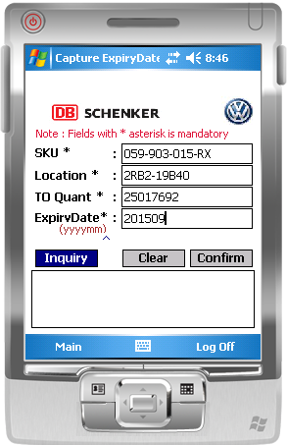

QTY

